0301
Tel:(86-752)3535255,Fax:(86-752)3766550,Web: www.yuanyisofa.com E-mail:david@worldbestgroup.net
PROMOTION & HOT SALE RECLINER SOFA PRICE(29STYLES) ALL THE RECLINER FUNCTION WE CAN DO! ALL THE MATERIALS WE CAN DO! Pls notice THE BELOW WERE FULL CONTANER ORDER PRICE,NOT RETAILS PRICE! Date.22-04-2019
NO | Item No | Photo | Description | SIZE/CM | Top Leather +PVC | LEATHER GEL AIR LEATHER | Elephant Skin MICROFIBER | BONDED LEATHER +PVC | LINEN MICROFIBER FABRIC &FULL PU | PU +PVC | FOB USD Loadability /40HQ
 |  |  |  | L/W/H |  | PLUSH（AA) MICROFIBER | BRONZING SUEDE FABRIC
1 | YR8556 (1+2+3) |  | RECLINER | 89*95*98 | 129 | 95 | 88 | 89 | 85 | 85 | New Style
 |  |  | RECLINER LOVE SEAT | 137*95*98 | 199 | 146 | 136 | 138 | 132 | 131 | 1+2+3: NORM38sets
 |  |  | RECLINER SOFA | 189*95*98 | 258 | 189 | 175 | 178 | 170 | 169
TOTAL PRICE(1+2+3) |  |  |  |  | 586 | 430 | 399 | 405 | 387 | 385
2 | YR8556 (1+2+3) | 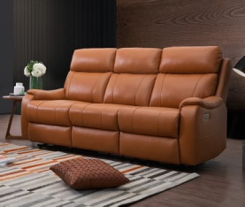 | RECLINER | 86*98*103 | 131 | 97 | 90 | 91 | 87 | 87 | New Style
 |  |  | RECLINER LOVE SEAT | 142*98*103 | 203 | 149 | 139 | 141 | 135 | 134 | 1+2+3: NORM36sets
 |  |  | RECLINER SOFA | 195*98*103 | 262 | 194 | 180 | 183 | 175 | 174
TOTAL PRICE(1+2+3) |  |  |  |  | 596 | 440 | 409 | 415 | 397 | 395
3 | YR8021 (1+2+3) |  | RECLINER | 94*98*98 | 131 | 101 | 94 | 96 | 92 | 88
 |  |  | RECLINER LOVE SEAT | 153*98*98 | 203 | 156 | 146 | 148 | 142 | 135 | 1+2+3: NORM32sets
 |  |  | RECLINER SOFA | 203*98*98 | 262 | 203 | 189 | 191 | 183 | 176
TOTAL PRICE(1+2+3) |  |  |  |  | 596 | 460 | 429 | 435 | 417 | 399
PROMOTION PRICE:1+2+3=USD596/TopLeather+Pvc(Normal Price:USD646）1+2+3=USD399/PU+PVC(Normal Price:USD415)
4 | YR8022 (1+2+3) | 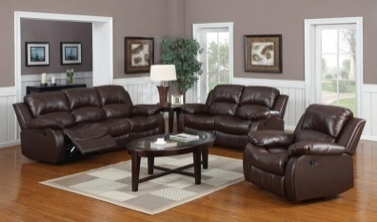 | RECLINER | 94*98*98 | 143 | 101 | 90 | 96 | 92 | 91
 |  |  | RECLINER LOVE SEAT | 155*98*98 | 219 | 156 | 139 | 148 | 142 | 141 | 1+2+3: NORM32sets
 |  |  | RECLINER SOFA | 203*98*98 | 284 | 203 | 180 | 191 | 183 | 183
TOTAL PRICE(1+2+3) |  |  |  |  | 646 | 460 | 409 | 435 | 417 | 415
PROMOTION PRICE:1+2+3=USD409/ELEPHANT FABRIC(Normal Price:USD429)
5 | YR1113 (1+2+3) |  | RECLINER | 98*98*96 | 144 | 103 | 96 | 92 | 88 | 93
 |  |  | RECLINER LOVE SEAT | 158*98*96 | 223 | 159 | 149 | 143 | 136 | 144 | 1+2+3: NORM31sets
 |  |  | RECLINER SOFA | 215*98*96 | 289 | 206 | 192 | 184 | 177 | 186
TOTAL PRICE(1+2+3) |  |  |  |  | 656 | 468 | 437 | 419 | 401 | 423
PROMOTION PRICE:1+2+3=USD401/FABRIC(Normal Price:USD425) 1+2+3=USD419/BONDED+PVC(Normal Price:USD443)
6 | YR8063 (1+2+3) |  | RECLINER | 98*96*102 | 144 | 103 | 96 | 97 | 94 | 93
 |  |  | RECLINER LOVE SEAT | 155*96*102 | 223 | 159 | 149 | 151 | 144 | 144 | 1+2+3: NORM24sets
 |  |  | RECLINER SOFA | 206*96*102 | 289 | 206 | 192 | 195 | 187 | 186
TOTAL PRICE(1+2+3) |  |  |  |  | 656 | 468 | 437 | 443 | 425 | 423
7 | YR1081 (1+2+3) |  | RECLINER | 96*96*100 | 144 | 103 | 96 | 97 | 94 | 93
 |  |  | RECLINER LOVE SEAT | 155*96*100 | 223 | 159 | 149 | 151 | 144 | 144 | 1+2+3: NORM24sets
 |  |  | RECLINER SOFA | 206*96*100 | 289 | 206 | 192 | 195 | 187 | 186
TOTAL PRICE(1+2+3) |  |  |  |  | 656 | 468 | 437 | 443 | 425 | 423
8 | YR2129 (1+2+3) |  | RECLINER | 98*96*102 | 144 | 103 | 96 | 97 | 94 | 93
 |  |  | RECLINER LOVE SEAT | 155*96*102 | 223 | 159 | 149 | 151 | 144 | 144 | 1+2+3: NORM24sets
 |  |  | RECLINER SOFA | 208*96*102 | 289 | 206 | 192 | 195 | 187 | 186
TOTAL PRICE(1+2+3) |  |  |  |  | 656 | 468 | 437 | 443 | 425 | 423
9 | YR2073 (1+2+C+3) | 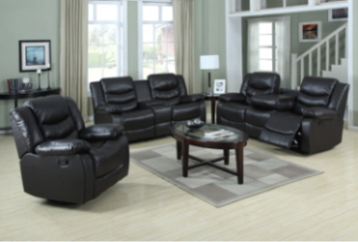 | RECLINER | 98*98*96 | 144 | 103 | 96 | 97 | 94 | 93
 |  |  | RECLINER LOVE SEAT | 155*98*96 | 223 | 159 | 149 | 151 | 144 | 144 | 1+2+3: NORM24sets
 |  |  | RECLINER SOFA | 210*98*96 | 289 | 206 | 192 | 195 | 187 | 186 | 1+2+C+3: NORM23sets
 |  |  | CONSOLE | 30*98*88 | 65 | 55 | 52 | 52 | 50 | 50
TOTAL PRICE(1+2+C+3) |  |  |  |  | 721 | 523 | 489 | 495 | 475 | 473
TOTAL PRICE(1+2+3) |  |  |  |  | 656 | 468 | 437 | 443 | 425 | 423 |  | 4
10 | YR1530 (1+2+3) |  | RECLINER | 96*102*98 | 142 | 108 | 100 | 102 | 97 | 97
 |  |  | RECLINER LOVE SEAT | 156*102*98 | 220 | 167 | 155 | 156 | 150 | 149 | 1+2+3: NORM23sets
 |  |  | RECLINER SOFA | 215*102*98 | 284 | 216 | 200 | 202 | 194 | 193
TOTAL PRICE(1+2+3) |  |  |  |  | 646 | 491 | 455 | 460 | 441 | 439
PROMOTION PRICE:1+2+3=USD646/Top Leather+Pvc(Normal Price:USD692）
11 | YR2059 (1+2+3) |  | RECLINER | 102*97*100 | 152 | 108 | 100 | 102 | 97 | 97
 |  |  | RECLINER LOVE SEAT | 162*97*100 | 235 | 167 | 155 | 156 | 150 | 149 | 1+2+3: NORM23sets
 |  |  | RECLINER SOFA | 210*97*100 | 305 | 216 | 200 | 202 | 194 | 193
TOTAL PRICE(1+2+3) |  |  |  |  | 692 | 491 | 455 | 460 | 441 | 439
12 | YR2139 (1+2+C+3) | 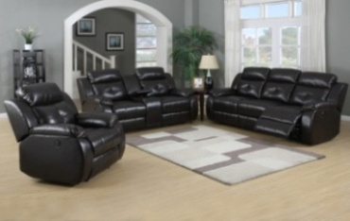 | RECLINER | 100*98*100 | 152 | 108 | 97 | 102 | 97 | 97
 |  |  | RECLINER LOVE SEAT | 160*98*100 | 235 | 167 | 149 | 156 | 150 | 149 | 1+2+3: NORM30sets
 |  |  | RECLINER SOFA | 215*98*100 | 305 | 216 | 193 | 202 | 194 | 193 | 1+2+C+3: NORM28sets
 |  |  | CONSOLE | 30*98*85 | 65 | 54 | 52 | 52 | 50 | 50
TOTAL PRICE(1+2+C+3) |  |  |  |  | 757 | 545 | 491 | 512 | 491 | 489
TOTAL PRICE(1+2+3) |  |  |  |  | 692 | 491 | 439 | 460 | 441 | 439
 | PROMOTION PRICE:1+2+3=USD439/SUEDE FABRIC(Normal Price:USD455)
13 | YR8020 (1+2+3) | 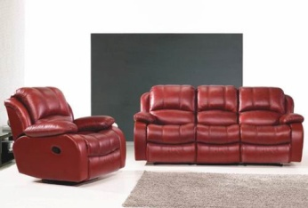 | RECLINER | 100*98*102 | 154 | 106 | 101 | 103 | 98 | 98
 |  |  | RECLINER LOVE SEAT | 160*98*102 | 239 | 164 | 157 | 158 | 452 | 151 | 1+2+3: NORM23sets
 |  |  | RECLINER SOFA | 215*98*102 | 309 | 213 | 203 | 205 | 197 | 196
TOTAL PRICE(1+2+3) |  |  |  |  | 702 | 483 | 461 | 466 | 447 | 445
14 | YR1061 (1+2+C+3) | 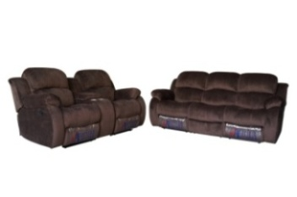 | RECLINER | 100*102*102 | 154 | 106 | 101 | 103 | 98 | 98
 |  |  | RECLINER LOVE SEAT | 160*102*102 | 239 | 164 | 157 | 158 | 452 | 151 | 1+2+3: NORM23sets
 |  |  | RECLINER SOFA | 218*102*102 | 309 | 213 | 203 | 205 | 197 | 196 | 1+2+C+3: NORM22sets
 |  |  | CONSOLE | 30*98*85 | 65 | 54 | 52 | 52 | 50 | 50
TOTAL PRICE(1+2+C+3) |  |  |  |  | 767 | 537 | 513 | 518 | 497 | 495
TOTAL PRICE(1+2+3) |  |  |  |  | 702 | 483 | 461 | 466 | 447 | 445
PROMOTION PRICE:1+2+3=USD483/AIR LEATHER(Normal Price:USD499)
15 | YR5079 (1+2+C+3) |  | RECLINER | 100*98*98 | 154 | 110 | 101 | 103 | 98 | 98
 |  |  | RECLINER LOVE SEAT | 160*98*98 | 239 | 170 | 157 | 158 | 151 | 151 | 1+2+3: NORM23sets
 |  |  | RECLINER SOFA | 212*98*98 | 309 | 219 | 203 | 205 | 196 | 197 | 1+2+C+3: NORM22sets
 |  |  | CONSOLE | 30*98*85 | 65 | 54 | 52 | 52 | 50 | 50
TOTAL PRICE(1+2+C+3) |  |  |  |  | 767 | 553 | 513 | 518 | 495 | 496
TOTAL PRICE(1+2+3) |  |  |  |  | 702 | 499 | 461 | 466 | 445 | 446
16 | YR2119 (1+2+3) |  | RECLINER | 100*98*102 | 154 | 110 | 101 | 103 | 98 | 98
 |  |  | RECLINER LOVE SEAT | 160*98*102 | 239 | 170 | 157 | 158 | 452 | 151 | 1+2+3: NORM23sets
 |  |  | RECLINER SOFA | 216*98*102 | 309 | 219 | 203 | 205 | 197 | 196
TOTAL PRICE(1+2+3) |  |  |  |  | 702 | 499 | 461 | 466 | 447 | 445
17 | YR0068 (1+2+3) |  | RECLINER | 102*98*98 | 157 | 111 | 103 | 104 | 100 | 99
 |  |  | RECLINER LOVE SEAT | 162*98*98 | 242 | 172 | 159 | 160 | 154 | 153 | 1+2+3: NORM23sets
 |  |  | RECLINER SOFA | 216*98*98 | 313 | 222 | 205 | 208 | 199 | 199
TOTAL PRICE(1+2+3) |  |  |  |  | 712 | 505 | 467 | 472 | 453 | 451
18 | YR0069 (1+2+3) | 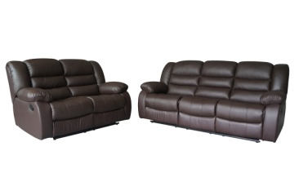 | RECLINER | 100*100*98 | 157 | 111 | 103 | 104 | 100 | 99
 |  |  | RECLINER LOVE SEAT | 160*100*98 | 242 | 172 | 159 | 160 | 154 | 153 | 1+2+3: NORM23sets
 |  |  | RECLINER SOFA | 215*100*98 | 313 | 222 | 205 | 208 | 199 | 199
TOTAL PRICE(1+2+3) |  |  |  |  | 712 | 505 | 467 | 472 | 453 | 451
19 | YR1072 (1+2+3) |  | RECLINER | 98*98*98 | 157 | 111 | 103 | 104 | 100 | 99
 |  |  | RECLINER LOVE SEAT | 160*98*98 | 242 | 172 | 159 | 160 | 154 | 153
 |  |  | RECLINER SOFA | 213*98*98 | 313 | 222 | 205 | 208 | 199 | 199 | 1+2+3: NORM23sets
TOTAL PRICE(1+2+3) |  |  |  |  | 712 | 505 | 467 | 472 | 453 | 451
20 | YR1116 (1+2+3) |  | RECLINER | 100*105*98 | 157 | 111 | 103 | 104 | 100 | 99
 |  |  | RECLINER LOVE SEAT | 160*105*98 | 242 | 172 | 159 | 160 | 154 | 153 | 1+2+3: NORM23sets
 |  |  | RECLINER SOFA | 215*105*98 | 313 | 222 | 205 | 208 | 199 | 199
TOTAL PRICE(1+2+3) |  |  |  |  | 712 | 505 | 467 | 472 | 453 | 451
21 | YR1528 (1+2+3) |  | RECLINER | 100*104*102 | 157 | 111 | 103 | 104 | 100 | 99
 |  |  | RECLINER LOVE SEAT | 160*104*102 | 242 | 172 | 159 | 160 | 154 | 153 | 1+2+3: NORM23sets
 |  |  | RECLINER SOFA | 215*104*102 | 313 | 222 | 205 | 208 | 199 | 199
TOTAL PRICE(1+2+3) |  |  |  |  | 712 | 505 | 467 | 472 | 453 | 451
22 | YR2113 (1+2+3) |  | RECLINER | 102*100*104 | 160 | 112 | 105 | 107 | 102 | 101
 |  |  | RECLINER LOVE SEAT | 165*100*104 | 247 | 173 | 163 | 164 | 157 | 156 | 1+2+3: NORM23sets
 |  |  | RECLINER SOFA | 218*100*104 | 319 | 224 | 211 | 213 | 203 | 203
TOTAL PRICE(1+2+3) |  |  |  |  | 726 | 509 | 479 | 484 | 462 | 460
23 | YR1073 (1+2+3) |  | RECLINER | 103*100*104 | 160 | 112 | 105 | 107 | 102 | 101
 |  |  | RECLINER LOVE SEAT | 162*100*104 | 247 | 173 | 163 | 164 | 157 | 156 | 1+2+3: NORM22sets
 |  |  | RECLINER SOFA | 217*100*104 | 319 | 224 | 211 | 213 | 203 | 203
TOTAL PRICE(1+2+3) |  |  |  |  | 726 | 509 | 479 | 484 | 462 | 460
24 | YR1068 (1+2+3) |  | RECLINER | 104*98*102 | 160 | 112 | 105 | 107 | 102 | 101
 |  |  | RECLINER LOVE SEAT | 165*98*102 | 247 | 173 | 163 | 164 | 157 | 156 | 1+2+3: NORM22sets
 |  |  | RECLINER SOFA | 220*98*102 | 319 | 224 | 211 | 213 | 203 | 203
TOTAL PRICE(1+2+3) |  |  |  |  | 726 | 509 | 479 | 484 | 462 | 460
25 | YR2118 (1+2+3) |  | RECLINER | 105*100*98 | 160 | 112 | 105 | 107 | 102 | 101
 |  |  | RECLINER LOVE SEAT | 165*100*98 | 247 | 173 | 163 | 164 | 157 | 156 | 1+2+3: NORM22sets
 |  |  | RECLINER SOFA | 221*100*98 | 319 | 224 | 211 | 213 | 203 | 203
TOTAL PRICE(1+2+3) |  |  |  |  | 726 | 509 | 479 | 484 | 462 | 460
26 | YR1067 (1+2+3) |  | RECLINER | 106*98*100 | 162 | 143 | 107 | 108 | 103 | 103
 |  |  | RECLINER LOVE SEAT | 166*98*100 | 250 | 175 | 165 | 167 | 159 | 158 | 1+2+3: NORM28sets
 |  |  | RECLINER SOFA | 225*98*100 | 324 | 227 | 213 | 215 | 206 | 205
TOTAL PRICE(1+2+3) |  |  |  |  | 736 | 515 | 485 | 490 | 468 | 466
27 | YR1076 (1+2+3) |  | RECLINER | 105*102*102 | 162 | 143 | 107 | 108 | 103 | 103
 |  |  | RECLINER LOVE SEAT | 166*102*102 | 250 | 175 | 165 | 167 | 159 | 158 | 1+2+3: NORM22sets
 |  |  | RECLINER SOFA | 223*102*102 | 324 | 227 | 213 | 215 | 206 | 205
TOTAL PRICE(1+2+3) |  |  |  |  | 736 | 515 | 485 | 490 | 468 | 466
28 | YR1069 (1+2+3) |  | RECLINER | 106*102*102 | 164 | 115 | 108 | 110 | 105 | 104
 |  |  | RECLINER LOVE SEAT | 166*102*102 | 254 | 178 | 168 | 469 | 162 | 161 | 1+2+3: NORM22sets
 |  |  | RECLINER SOFA | 223*102*102 | 328 | 230 | 217 | 219 | 209 | 209
TOTAL PRICE(1+2+3) |  |  |  |  | 746 | 523 | 493 | 498 | 476 | 474
29 | YR2128 (1+2+C+3) | 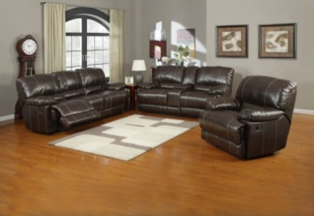 | RECLINER | 112*102*102 | 164 | 115 | 108 | 110 | 105 | 104
 |  |  | RECLINER LOVE SEAT | 168*102*102 | 254 | 178 | 168 | 169 | 162 | 161 | 1+2+3: NORM21sets
 |  |  | RECLINER SOFA | 223*102*102 | 328 | 230 | 217 | 219 | 209 | 209 | 1+2+C+3: NORM20sets
 |  |  | CONSOLE | 33*102*98 | 68 | 56 | 53 | 53 | 51 | 51
TOTAL PRICE(1+2+C+3) |  |  |  |  | 814 | 579 | 546 | 551 | 527 | 525
TOTAL PRICE(1+2+3) |  |  |  |  | 746 | 523 | 493 | 498 | 476 | 474
Remark/Yuanyi Policy: 1.Above price were FOB SHENZHEN PORT with FULL 40HQ CONTAINER ORDER PRICE; First order not high than TWO STYLE WITH THREE COLOUR for same MATERIAL; The PROMOTION PRICE first order at least need ONE STYLE not high than two colour by one material; 2.All the LCL ORDER MINIMUM PRODUCTION one style at least need 5 sets each colour,then can match ABOVE PRICE, and payment term: EXW FACTORY PRICE. 3.Above packing were NORMAL SOFT PACKING!if using CARTON PACKING,need add the CARTON COST; 4.Payment:30% deposit as orders amount,70% banlance pay before loading goods or against B/L copy by T/T & LC. 5.Delivery time:30-40 days after receipt of deposit. 6.Top leather refer: Chinese REAL TOP LEATHER;FABRIC refer NORMAL MICROFIBER FABRIC& LINEN; Other fabric cost price shall be confirmed separately!and can make customer require Special Fabric; 7.POWER RECLINER need add USD35/PCS,ROCKING need add up USD6/PCS; SWIVEL need add up USD12/PCS; SWIVEL & ROCKING need add USD16/PIECE;POWER LIFT CHAIR need add USD85/PC;Sofabed with Mattress need add USD95; Special massage can make as customer require. ALL THE RECLINER FUNCTION WE CAN DO! ALL THE MATERIALS WE CAN DO! 8.IF NEED RETAILS PRICE,PLS CONTACT FACTORY

 |  |  |  |  |  |  |  |  | ;

